Thermal Controller
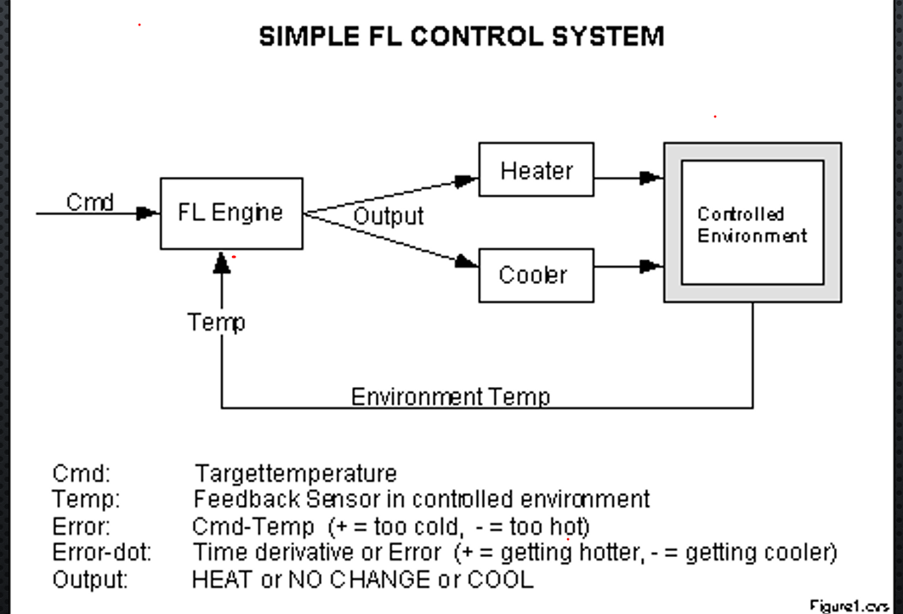
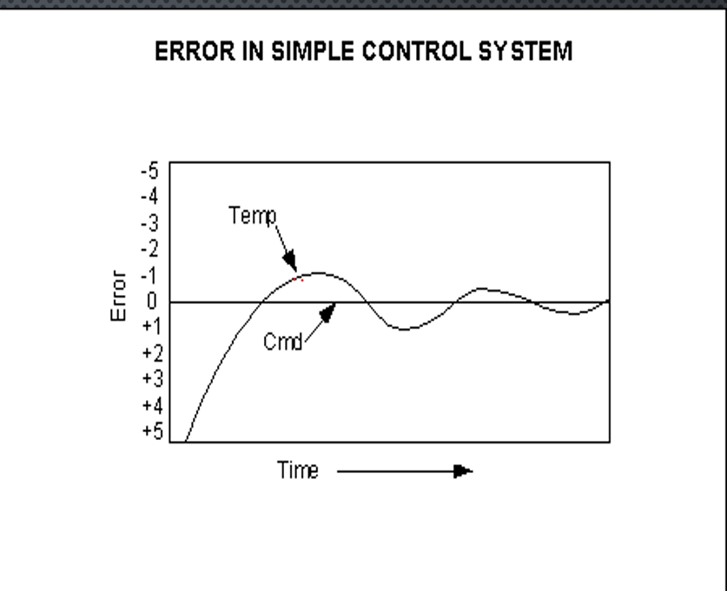

CMD | Target Temperature
Temp | Feedback Sensor
Error | + Too Cold | - Too Hot
Error Dot | + Getting Hotter | - Getting Cooler
Output | Heater | No Change | Cooler

Time | CMD | TEMP | PREVIOUS ERROR | CURRENT ERROR | ERROR DOT
1 | 15 | 8 | 7 | 7 | 0
2 | 15 | 7 | 7 | 8 | -1
3 | 15 | 6 | 8 | 9 | -1
4 | 15 | 20 | 9 | -5 | 14
5 | 15 | 21 | -5 | -6 | 1
6 | 15 | 22 | -6 | -7 | 1
7 | 15 | 21 | -7 | -6 | -1
8 | 15 | 20 | -6 | -5 | -1
9 | 15 | 20 | -5 | -5 | 0
10 | 15 | 15 | -5 | 0 | -5
12 | 15 | 15 | 0 | 0 | 0
13 | 15 | 15 | 0 | 0 | 0

Membership Function (INPUT)
ERROR | P | Z | N
ERROR DOT | P | Z | N

OUTPUT
Cooler | Maintain | Heater

RULES |  |  |  |  |  | PP |  | ZP |  | NP
 |  | ERROR |  |  |  | CMD | TEMP | CMD | TEMP | CMD | TEMP
 |  | P | Z | N |  | 15 | 8 | 15 | 15 | 15 | 25
ERROR DOT | P | Heater | Cooler | Cooler |  |  | 9 |  | 16 |  | 26
 | Z | Heater | No Change | Cooler |  |  | 10 |  | 17 |  | 27
 | N | Heater | Heater | Cooler
 |  |  |  |  |  | PZ |  | ZZ |  | NZ
 |  |  |  |  |  | CMD | TEMP | CMD | TEMP | CMD | TEMP
 |  |  |  |  |  | 15 | 8 | 15 | 15 | 15 | 25
 |  |  |  |  |  |  | 8 |  | 15 |  | 25
 |  |  |  |  |  |  | 8 |  | 15 |  | 25

 |  |  |  |  |  | PN |  | ZN |  | NN
 |  |  |  |  |  | CMD | TEMP | CMD | TEMP | CMD | TEMP
 |  |  |  |  |  | 15 | 8 | 15 | 15 | 15 | 25
 |  |  |  |  |  |  | 7 |  | 14 |  | 24
 |  |  |  |  |  |  | 6 |  | 13 |  | 23

